Sheet1
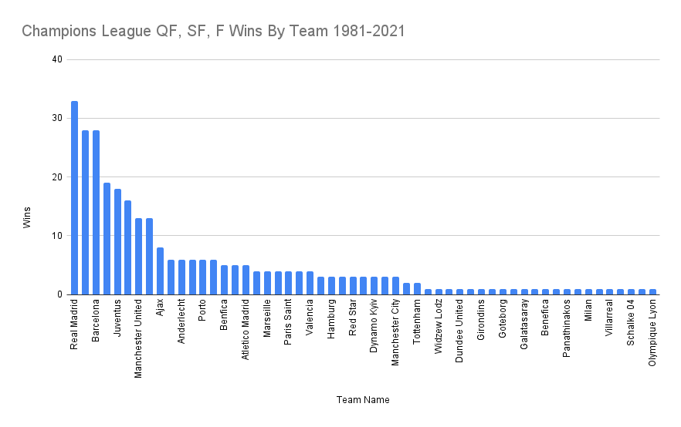
Team | Score | Cumul Score | Games Played
Aberdeen | 0 | 0 | 1
AC Milan | 4 | 17 | 25
AC Milan | 5
AC Milan | -1
AC Milan | 0
AC Milan | 2
AC Milan | 4
AC Milan | 3
AC Milan | 3
AC Milan | 2
AC Milan | 0
AC Milan | 0
AC Milan | 0
AC Milan | 5
AC Milan | 1
AC Milan | 2
AC Milan | 2
AC Milan | -1
AC Milan | -3
AC Milan | -1
AC Milan | -1
AC Milan | -1
AC Milan | 0
AC Milan | -5
AC Milan | -1
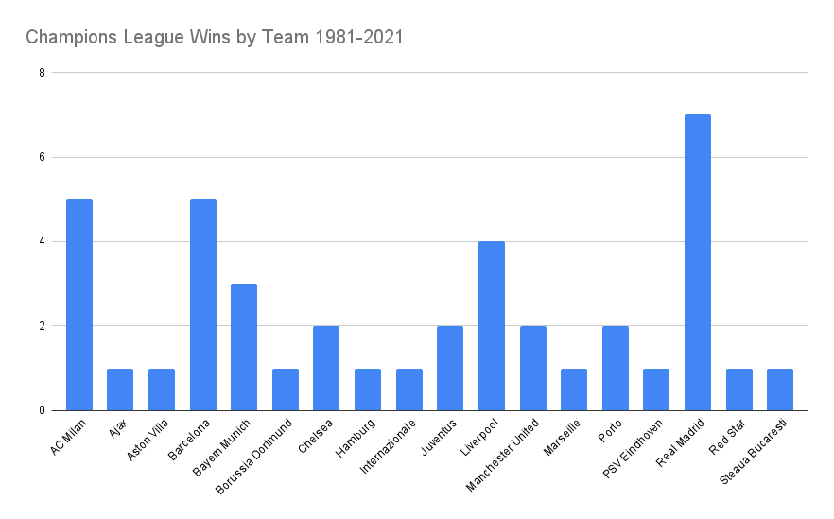
AC Milan | -2
Ajax | 1 | 6 | 11
Ajax | 3
Ajax | 3
Ajax | 0
Ajax | 2
Ajax | 0
Ajax | 1
Ajax | 1
Ajax | -4
Ajax | -1
Ajax | 0
Anderlecht | 2 | -7 | 12
Anderlecht | 1
Anderlecht | 1
Anderlecht | 1
Anderlecht | 0
Anderlecht | 0
Anderlecht | -1
Anderlecht | -2
Anderlecht | -5
Anderlecht | -1
Anderlecht | -2
Anderlecht | -1
Apoel | -6 | -6 | 1
Arsenal | 1 | -4 | 9
Arsenal | 2
Arsenal | 3
Arsenal | 0
Arsenal | -1
Arsenal | -1
Arsenal | -2
Arsenal | -3
Arsenal | -3
Aston Villa | 1 | 1 | 4
Aston Villa | 1
Aston Villa | 2
Aston Villa | -3
Atalanta | -1 | -1 | 1
Atletico Madrid | 2 | -3 | 11
Atletico Madrid | 1
Atletico Madrid | 0
Atletico Madrid | 1
Atletico Madrid | 1
Atletico Madrid | -1
Atletico Madrid | -3
Atletico Madrid | -1
Atletico Madrid | 0
Atletico Madrid | -2
Atletico Madrid | -1
Austria Viena | -3 | -3 | 1
Auxerre | -3 | -3 | 1
Banik Ostrava | -4 | -4 | 1
Barcelona | 0 | 20 | 45
Barcelona | 1
Barcelona | 1
Barcelona | 1
Barcelona | 1
Barcelona | 3
Barcelona | 0
Barcelona | 2
Barcelona | 3
Barcelona | 2
Barcelona | 1
Barcelona | 1
Barcelona | 1
Barcelona | 2
Barcelona | 2
Barcelona | 2
Barcelona | 0
Barcelona | 4
Barcelona | 3
Barcelona | 2
Barcelona | 2
Barcelona | 5
Barcelona | 2
Barcelona | 0
Barcelona | 2
Barcelona | 2
Barcelona | 4
Barcelona | 4
Barcelona | 0
Barcelona | -1
Barcelona | -4
Barcelona | -1
Barcelona | -2
Barcelona | -2
Barcelona | -1
Barcelona | -1
Barcelona | -1
Barcelona | -1
Barcelona | -7
Barcelona | -1
Barcelona | -1
Barcelona | -3
Barcelona | 0
Barcelona | -1
Barcelona | -6
Bayer Leverkusen | 0 | -3 | 4
Bayer Leverkusen | 1
Bayer Leverkusen | -3
Bayer Leverkusen | -1
Bayern Munich | 4 | 37 | 51
Bayern Munich | 3
Bayern Munich | 2
Bayern Munich | 2
Bayern Munich | 5
Bayern Munich | 2
Bayern Munich | 2
Bayern Munich | 0
Bayern Munich | 1
Bayern Munich | 6
Bayern Munich | 1
Bayern Munich | 0
Bayern Munich | 2
Bayern Munich | 2
Bayern Munich | 4
Bayern Munich | 0
Bayern Munich | 0
Bayern Munich | 4
Bayern Munich | 1
Bayern Munich | 7
Bayern Munich | 4
Bayern Munich | 2
Bayern Munich | 3
Bayern Munich | 1
Bayern Munich | 1
Bayern Munich | 1
Bayern Munich | 3
Bayern Munich | 6
Bayern Munich | 0
Bayern Munich | -1
Bayern Munich | -1
Bayern Munich | -1
Bayern Munich | -1
Bayern Munich | 0
Bayern Munich | -1
Bayern Munich | -3
Bayern Munich | -1
Bayern Munich | -1
Bayern Munich | -1
Bayern Munich | -1
Bayern Munich | -1
Bayern Munich | -2
Bayern Munich | -4
Bayern Munich | -2
Bayern Munich | 0
Bayern Munich | -5
Bayern Munich | -2
Bayern Munich | 0
Bayern Munich | -3
Bayern Munich | -1
Bayern Munich | 0
Benfica | 2 | 0 | 17
Benfica | 1
Benfica | 1
Benfica | 0
Benfica | 4
Benfica | 5
Benfica | -4
Benfica | 0
Benfica | -1
Benfica | 0
Benfica | 0
Benfica | 0
Benfica | -1
Benfica | -2
Benfica | -2
Benfica | -2
Benfica | -1
Besiktas | -7 | -7 | 1
Bordeaux | -1 | -1 | 1
Borussia Dortmund | 2 | 1 | 12
Borussia Dortmund | 2
Borussia Dortmund | 3
Borussia Dortmund | 1
Borussia Dortmund | 1
Borussia Dortmund | 1
Borussia Dortmund | 0
Borussia Dortmund | -2
Borussia Dortmund | -1
Borussia Dortmund | -1
Borussia Dortmund | -3
Borussia Dortmund | -2
Brondby | -1 | -1 | 1
Chelsea | 1 | 5 | 21
Chelsea | 1
Chelsea | 1
Chelsea | 1
Chelsea | 1
Chelsea | 2
Chelsea | 0
Chelsea | 1
Chelsea | 2
Chelsea | 0
Chelsea | 1
Chelsea | 2
Chelsea | 1
Chelsea | -2
Chelsea | -2
Chelsea | -1
Chelsea | 0
Chelsea | 0
Chelsea | 0
Chelsea | -2
Chelsea | -2
Deportivo Coruna | 1 | -4 | 4
Deportivo Coruna | -1
Deportivo Coruna | -3
Deportivo Coruna | -1
Dinamo Bucaresti | 1 | -1 | 2
Dinamo Bucaresti | -2
Dinamo Minsk | -1 | -1 | 1
Dnipro Dnipropetrovsk | 0 | -4 | 2
Dnipro Dnipropetrovsk | -4
Dundee United | 0 | -1 | 2
Dundee United | -1
Dynamo | 7 | 5 | 2
Dynamo | -2
Dynamo Berlin | -3 | -3 | 1
Dynamo Dresden | -6 | -6 | 1
Dynamo Kyiv | 1 | -15 | 11
Dynamo Kyiv | 1
Dynamo Kyiv | 2
Dynamo Kyiv | -2
Dynamo Kyiv | -2
Dynamo Kyiv | -3
Dynamo Kyiv | -1
Dynamo Kyiv | -5
Dynamo Kyiv | -2
Dynamo Kyiv | -3
Dynamo Kyiv | -1
Fenerbahçe | -1 | -1 | 1
Galatasaray | 1 | -7 | 4
Galatasaray | -4
Galatasaray | -2
Galatasaray | -2
Girondins Bordeaux | 0 | -1 | 3
Girondins Bordeaux | -1
Girondins Bordeaux | 0
Goteborg | 0 | -4 | 5
Goteborg | -1
Goteborg | 0
Goteborg | -3
Goteborg | 0
Hajduk Split | -3 | -3 | 1
Hamburg | 1 | 4 | 3
Hamburg | 1
Hamburg | 2
Internazionale | 1 | 0 | 11
Internazionale | 0
Internazionale | 2
Internazionale | 2
Internazionale | 1
Internazionale | 2
Internazionale | -2
Internazionale | -2
Internazionale | 0
Internazionale | 0
Internazionale | -4
Juventus | 2 | 13 | 32
Juventus | 3
Juventus | 1
Juventus | 1
Juventus | 2
Juventus | 1
Juventus | 1
Juventus | 4
Juventus | 2
Juventus | 2
Juventus | 3
Juventus | 1
Juventus | 1
Juventus | 1
Juventus | 1
Juventus | 1
Juventus | 3
Juventus | 3
Juventus | -1
Juventus | -1
Juventus | 0
Juventus | -2
Juventus | -1
Juventus | -1
Juventus | 0
Juventus | -1
Juventus | -2
Juventus | -4
Juventus | -2
Juventus | -3
Juventus | -1
Juventus | -1
Kaiserslautern | -6 | -6 | 1
Kuuysi | -1 | -1 | 1
KV Mechelen | -2 | -2 | 1
Lazio | -2 | -2 | 1
Leeds United | 1 | -2 | 2
Leeds United | -3
Leicester City | -1 | -1 | 1
Liverpool | 1 | 29 | 28
Liverpool | 0
Liverpool | 5
Liverpool | 0
Liverpool | 2
Liverpool | 4
Liverpool | 5
Liverpool | 3
Liverpool | 0
Liverpool | 1
Liverpool | 1
Liverpool | 0
Liverpool | 4
Liverpool | 2
Liverpool | 1
Liverpool | 4
Liverpool | 2
Liverpool | 1
Liverpool | 5
Liverpool | -1
Liverpool | -1
Liverpool | -1
Liverpool | -1
Liverpool | -1
Liverpool | -1
Liverpool | -2
Liverpool | -2
Liverpool | -2
Lyon | 1 | 1 | 1
Malaga | -1 | -1 | 1
Manchester City | 1 | -2 | 8
Manchester City | 3
Manchester City | 2
Manchester City | -1
Manchester City | -4
Manchester City | 0
Manchester City | -2
Manchester City | -1
Manchester United | 4 | 13 | 25
Manchester United | 1
Manchester United | 1
Manchester United | 2
Manchester United | 3
Manchester United | 5
Manchester United | 0
Manchester United | 1
Manchester United | 3
Manchester United | 3
Manchester United | 1
Manchester United | 5
Manchester United | 2
Manchester United | -2
Manchester United | 0
Manchester United | -1
Manchester United | -2
Manchester United | 0
Manchester United | -1
Manchester United | -2
Manchester United | -2
Manchester United | 0
Manchester United | -2
Manchester United | -2
Manchester United | -4
Marseille | 3 | 6 | 7
Marseille | 3
Marseille | 3
Marseille | 1
Marseille | 0
Marseille | 0
Marseille | -4
Milan | 1 | 1 | 1
Monaco | 0 | -8 | 10
Monaco | 2
Monaco | 0
Monaco | 3
Monaco | -1
Monaco | -3
Monaco | -2
Monaco | -3
Monaco | -1
Monaco | -3
Moscow | -2 | -2 | 1
Nantes | 2 | 1 | 2
Nantes | -1
Olympiacos | -1 | -1 | 1
Olympique Lyon | 2 | -9 | 6
Olympique Lyon | -2
Olympique Lyon | 0
Olympique Lyon | -2
Olympique Lyon | -4
Olympique Lyon | -3
Panathinaikos | 1 | 2 | 7
Panathinaikos | 0
Panathinaikos | -1
Panathinaikos | 0
Panathinaikos | 0
Panathinaikos | 2
Panathinaikos | 0
Panathinakos | 3 | -5 | 4
Panathinakos | -5
Panathinakos | -2
Panathinakos | -1
Paris Saint Germain | 1 | -7 | 11
Paris Saint Germain | 3
Paris Saint Germain | 1
Paris Saint Germain | 0
Paris Saint Germain | -3
Paris Saint Germain | 0
Paris Saint Germain | 0
Paris Saint Germain | -4
Paris Saint Germain | -1
Paris Saint Germain | -1
Paris Saint Germain | -3
Porto | 1 | -10 | 14
Porto | 2
Porto | 1
Porto | 3
Porto | 1
Porto | 2
Porto | -2
Porto | -3
Porto | -4
Porto | -1
Porto | -1
Porto | -3
Porto | -5
Porto | -1
PSV Eindhoven | 0 | -7 | 8
PSV Eindhoven | 0
PSV Eindhoven | 0
PSV Eindhoven | 0
PSV Eindhoven | -1
PSV Eindhoven | -2
PSV Eindhoven | 0
PSV Eindhoven | -4
Rangers | -1 | -1 | 1
Rapid Wien | 0 | 0 | 1
RB Leipzig | 1 | -2 | 2
RB Leipzig | -3
Real Madrid | 2 | 41 | 48
Real Madrid | 2
Real Madrid | 0
Real Madrid | 1
Real Madrid | 1
Real Madrid | 1
Real Madrid | 2
Real Madrid | 3
Real Madrid | 3
Real Madrid | 1
Real Madrid | 1
Real Madrid | 2
Real Madrid | 1
Real Madrid | 2
Real Madrid | 1
Real Madrid | 1
Real Madrid | 5
Real Madrid | 6
Real Madrid | 2
Real Madrid | 3
Real Madrid | 5
Real Madrid | 1
Real Madrid | 1
Real Madrid | 0
Real Madrid | 1
Real Madrid | 1
Real Madrid | 3
Real Madrid | 2
Real Madrid | 3
Real Madrid | 2
Real Madrid | 1
Real Madrid | 1
Real Madrid | 2
Real Madrid | -1
Real Madrid | -2
Real Madrid | 0
Real Madrid | -5
Real Madrid | -2
Real Madrid | -1
Real Madrid | -2
Real Madrid | -2
Real Madrid | -1
Real Madrid | 0
Real Madrid | -2
Real Madrid | 0
Real Madrid | -1
Real Madrid | -1
Real Madrid | -2
Real Sociedad | 1 | 0 | 2
Real Sociedad | -1
Red Star | 0 | 1 | 8
Red Star | 1
Red Star | 6
Red Star | -1
Red Star | -2
Red Star | 0
Red Star | -2
Red Star | -1
Red Star Belgrade | 1 | -2 | 4
Red Star Belgrade | 1
Red Star Belgrade | -2
Red Star Belgrade | -2
Roma | 1 | -5 | 7
Roma | 3
Roma | 0
Roma | 0
Roma | -5
Roma | -3
Roma | -1
Rosenborg | -2 | -2 | 1
Sampdoria | 2 | 4 | 7
Sampdoria | 2
Sampdoria | 0
Sampdoria | 2
Sampdoria | 0
Sampdoria | -1
Sampdoria | -1
Schalke 04 | 4 | -3 | 3
Schalke 04 | -2
Schalke 04 | -5
Sevilla | -1 | -1 | 1
Shakhtar Donetsk | -5 | -5 | 1
Sofia | 1 | -10 | 4
Sofia | -5
Sofia | -3
Sofia | -3
Sparta Praga | -2 | -2 | 1
Sparta Prague | 1 | 0 | 6
Sparta Prague | 0
Sparta Prague | 1
Sparta Prague | 0
Sparta Prague | -1
Sparta Prague | -1
Spartak Moscow | 2 | -5 | 4
Spartak Moscow | -2
Spartak Moscow | -3
Spartak Moscow | -2
Sporting Portugal | -1 | -1 | 1
Standard Liege | -3 | -3 | 1
Steaua Bucaresti | 0 | 5 | 8
Steaua Bucaresti | 2
Steaua Bucaresti | 1
Steaua Bucaresti | 1
Steaua Bucaresti | 4
Steaua Bucaresti | 3
Steaua Bucaresti | -2
Steaua Bucaresti | -4
Tottenham | 0 | -7 | 4
Tottenham | 0
Tottenham | -5
Tottenham | -2
Universitatea Craiova | -2 | -2 | 1
Valencia | 2 | 3 | 8
Valencia | 2
Valencia | 3
Valencia | 0
Valencia | -3
Valencia | 0
Valencia | 0
Valencia | -1
Villareal | -1 | -4 | 2
Villareal | -3
Villarreal | 0 | 0 | 1
Werder Bremen | 1 | 1 | 1
Widzew Lodz | 1 | -1 | 2
Widzew Lodz | -2
Wolfsburg | -1 | -1 | 1

Pivot Table 4
Score and Games played of all the teams

Dashboard
Score and Games played of all the teams

